Sheet1
Gamma |  |  | Policy Evaluation Table |  |  |  | Policy
0.8 |  | Messi | Suarez | Scored |  | Messi | Suarez | Scored
 | 0 | 0.0 | 0.0 | 0.0 |  | Pass | Pass | Return
 | 1
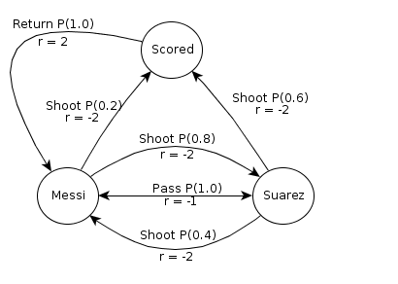
 | 2
 | 3
 | 4
 | 5
 | 6
 | 7
 | 8
 | 9
 | 10
 | 11
 | 12
 | 13
 | 14
 | 15
 | 16
 | 17
 | 18
 | 19
 | 20
 | 21
 | 22
 | 23
 |  |  | Extracted Values

 |  |  | Policy Update
 |  | Q(M, p) | Q(M, s) | Q(S, p) | Q(S, s) | Q(Scored)

 |  |  | New Policy
 |  | Messi | Suarez | Scored

